SOLUTION
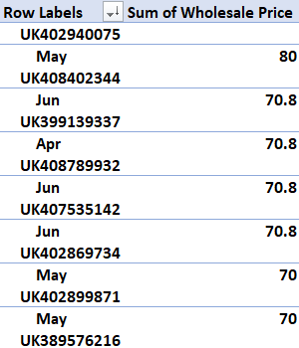
 |  | REPORT

1 | Sales of UK for the last 2 months with their qty sold

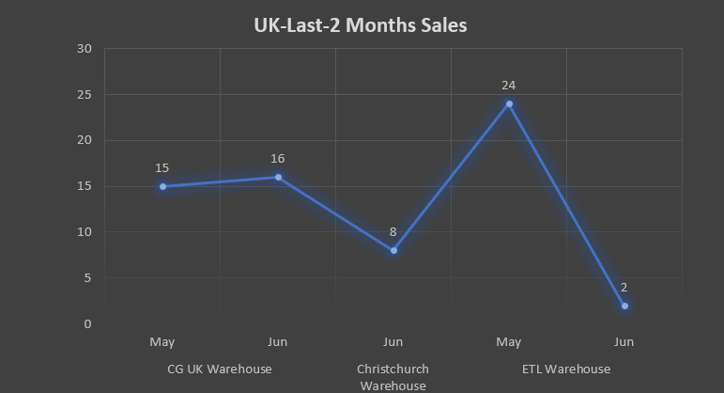

2 | Sales of Germany for the last 2 months with their qty sold

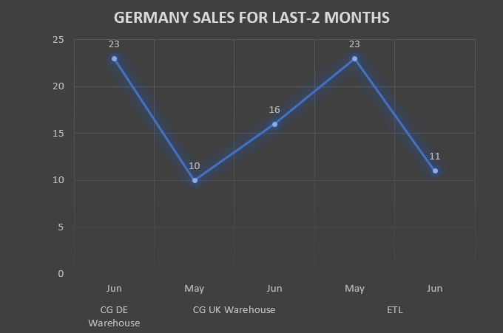

3
 | Sales of UK and Germany
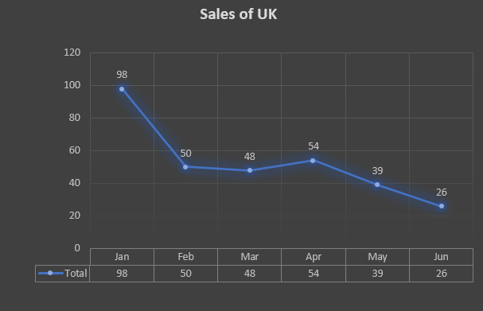
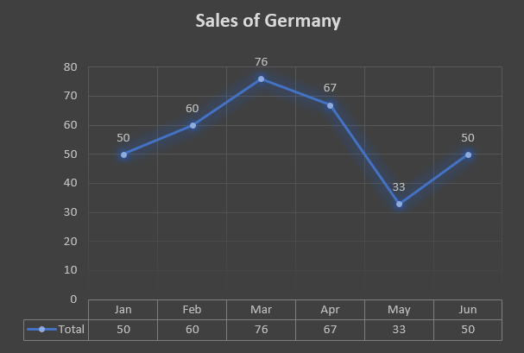

6
 | Germany Revenue |  | UK Revenue
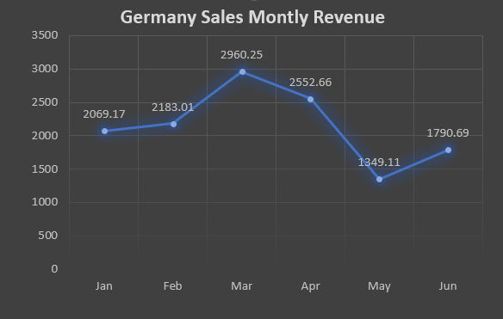
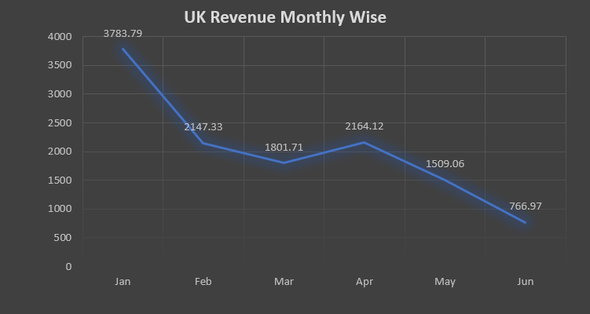

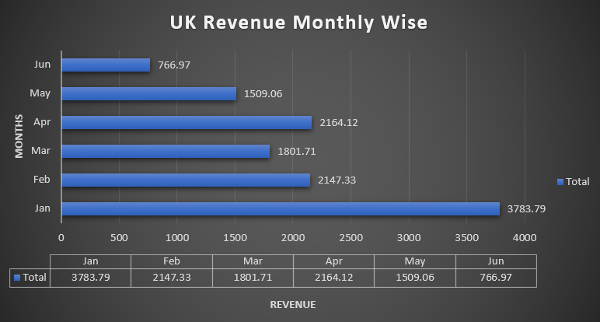
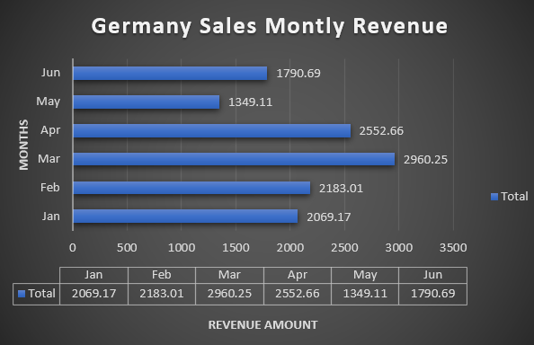

4 | "MOC2311-43511" total qty sold in 6 months in UK and Germany monthly

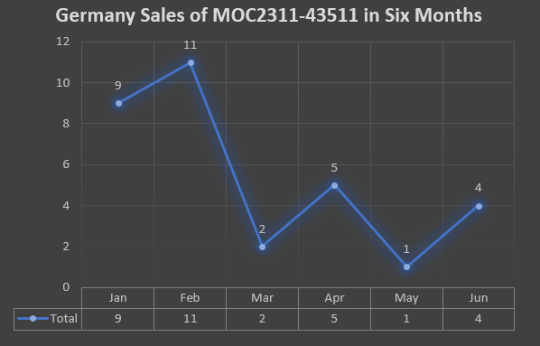
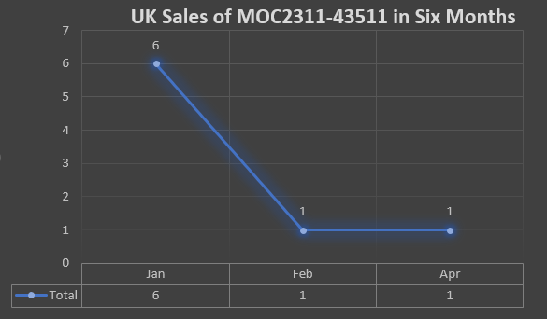

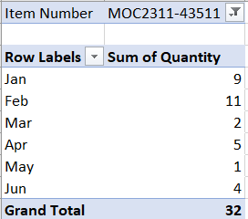
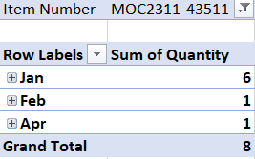

5 | Top 5 sellers in UK market and in which month it has highest sales

UK Export
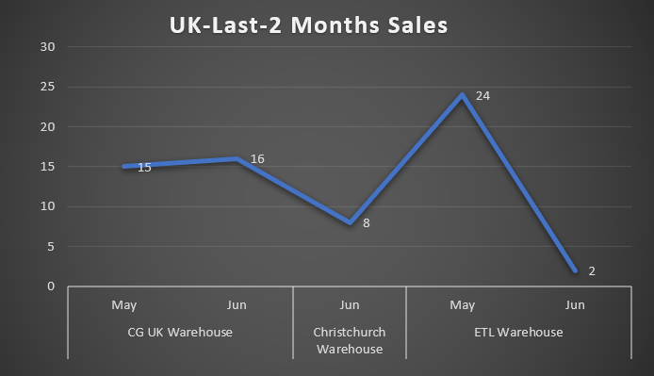
Warehouse Name | PO Number | PO Date | Order Status | Item Number | Quantity | Wholesale Price
CG UK Warehouse | UK379197803 | 2022-01-01 | Delivered | WNL2309-5373 | 1 | 25
ETL Warehouse | UK379253979 | 2022-01-01 | Delivered | WNL2309-5373 | 1 | 25
CG UK Warehouse | UK379109426 | 2022-01-01 | Delivered | MOC2311-5373 | 1 | 42
CG UK Warehouse | UK379323050 | 2022-01-02 | Delivered | HAP1019-31157 | 1 | 25
CG UK Warehouse | UK379325771 | 2022-01-02 | Cancelled | ROM2338-5371 | 1 | 35.7
CG UK Warehouse | UK379539666 | 2022-01-03 | Delivered | AKR2300-679 | 1 | 43.35
ETL Warehouse | UK379549508 | 2022-01-03 | Delivered | ROM2308-679 | 1 | 55
ETL Warehouse | UK379813536 | 2022-01-04 | Delivered | ROM2315-679 | 1 | 55
CG UK Warehouse | UK379750384 | 2022-01-04 | Delivered | ROM2315-5371 | 1 | 35.7
CG UK Warehouse | UK379943842 | 2022-01-05 | Delivered | HAP1019-5373 | 1 | 35
CG UK Warehouse | UK380247966 | 2022-01-06 | Delivered | WNL2309-679 | 1 | 45
ETL Warehouse | UK380217754 | 2022-01-06 | Delivered | MOC2301-5373 | 1 | 33
CG UK Warehouse | UK380483243 | 2022-01-08 | Delivered | WNL2309-5373 | 1 | 25
CG UK Warehouse | UK380555417 | 2022-01-08 | Delivered | ROM2315-679 | 1 | 55
CG UK Warehouse | UK380674517 | 2022-01-09 | Delivered | MOC2311-5373 | 1 | 42
CG UK Warehouse | UK380738998 | 2022-01-09 | Delivered | MOC2311-43511 | 1 | 32
ETL Warehouse | UK380875257 | 2022-01-10 | Delivered | MOC2311-43511 | 1 | 32
CG UK Warehouse | UK380892860 | 2022-01-10 | Delivered | AKR2300-5373 | 1 | 26.85
CG UK Warehouse | UK380902195 | 2022-01-10 | Delivered | WNL2309-679 | 1 | 45
CG UK Warehouse | UK380863609 | 2022-01-10 | Delivered | AKR2300-679 | 1 | 43.35
CG UK Warehouse | UK380875257 | 2022-01-10 | Delivered | MOC2311-43511 | 1 | 32
CG UK Warehouse | UK381196718 | 2022-01-11 | Delivered | WNL2309-679 | 1 | 45
CG UK Warehouse | UK381333091 | 2022-01-12 | Delivered | ROM2315-5371 | 1 | 35.7
ETL Warehouse | UK381216867 | 2022-01-12 | Delivered | ROM2300-5371 | 1 | 29.77
CG UK Warehouse | UK381247244 | 2022-01-12 | Delivered | WNL2309-679 | 1 | 45
CG UK Warehouse | UK381243387 | 2022-01-12 | Delivered | ROM2300-5371 | 1 | 29.77
CG UK Warehouse | UK381436979 | 2022-01-13 | Delivered | ROM2300-5371 | 1 | 29.77
CG UK Warehouse | UK381606829 | 2022-01-14 | Delivered | MOC2311-5373 | 1 | 42
CG UK Warehouse | UK381595671 | 2022-01-14 | Delivered | WNL2309-5373 | 1 | 25
CG UK Warehouse | UK381557873 | 2022-01-14 | Delivered | WNL2309-5373 | 1 | 25
CG UK Warehouse | UK381848619 | 2022-01-15 | Delivered | WNL2309-679 | 1 | 45
CG UK Warehouse | UK381886286 | 2022-01-15 | Delivered | ROM2300-679 | 1 | 47.6
CG UK Warehouse | UK381732522 | 2022-01-15 | Delivered | ROM2300-5371 | 1 | 29.77
ETL Warehouse | UK381763066 | 2022-01-15 | Delivered | WNL2309-679 | 1 | 45
ETL Warehouse | UK381769541 | 2022-01-15 | Delivered | WNL2309-679 | 1 | 45
CG UK Warehouse | UK381968456 | 2022-01-16 | Delivered | MNC2315-5373 | 1 | 35
CG UK Warehouse | UK382045735 | 2022-01-16 | Delivered | ROM2315-679 | 1 | 55
CG UK Warehouse | UK381924189 | 2022-01-16 | Delivered | WNL2309-679 | 1 | 45
CG UK Warehouse | UK381945715 | 2022-01-16 | Delivered | WNL2309-5373 | 1 | 25
CG UK Warehouse | UK381961462 | 2022-01-16 | Delivered | ROM2315-5371 | 1 | 35.7
CG UK Warehouse | UK381972348 | 2022-01-16 | Delivered | WNL2309-679 | 1 | 45
CG UK Warehouse | UK382152550 | 2022-01-17 | Delivered | MOC2306-5373 | 1 | 33
CG UK Warehouse | UK382153310 | 2022-01-17 | Delivered | ROM2300-679 | 1 | 47.6
ETL Warehouse | UK382449514 | 2022-01-18 | Delivered | MOC2306-43511 | 1 | 23
CG UK Warehouse | UK382473319 | 2022-01-18 | Delivered | MOC2311-5373 | 1 | 42
CG UK Warehouse | UK380730971 | 2022-01-18 | Delivered | NWM2310-679 | 1 | 50
CG UK Warehouse | UK382395000 | 2022-01-18 | Delivered | SUN2300-5373 | 1 | 25
CG UK Warehouse | UK382385100 | 2022-01-18 | Delivered | WNL2309-5373 | 1 | 25
CG UK Warehouse | UK382381533 | 2022-01-18 | Delivered | WNL2309-5373 | 1 | 25
ETL Warehouse | UK382393109 | 2022-01-18 | Cancelled | MOC2311-43511 | 1 | 32
CG UK Warehouse | UK382547878 | 2022-01-19 | Delivered | WNL2309-679 | 1 | 45
CG UK Warehouse | UK382582029 | 2022-01-19 | Delivered | SUN2300-5373 | 1 | 25
CG UK Warehouse | UK382657734 | 2022-01-19 | Delivered | SUN2300-679 | 1 | 45
ETL Warehouse | UK382653643 | 2022-01-19 | Delivered | ROM2300-5371 | 1 | 29.77
ETL Warehouse | UK382556427 | 2022-01-19 | Delivered | ROM2315-679 | 1 | 55
CG UK Warehouse | UK382556023 | 2022-01-19 | Delivered | MOC2306-5373 | 1 | 33
CG UK Warehouse | UK382618303 | 2022-01-19 | Delivered | ROM2300-5371 | 1 | 29.77
CG UK Warehouse | UK382558071 | 2022-01-19 | Delivered | WNL2309-679 | 1 | 45
CG UK Warehouse | UK382559279 | 2022-01-19 | Delivered | AKR2300-5373 | 1 | 26.85
CG UK Warehouse | UK382726464 | 2022-01-20 | Cancelled | ROM2308-679 | 1 | 55
CG UK Warehouse | UK382738308 | 2022-01-20 | Delivered | ROM2343-5371 | 1 | 35.7
ETL Warehouse | UK382787106 | 2022-01-20 | Delivered | MOC2311-43511 | 1 | 32
ETL Warehouse | UK382804169 | 2022-01-20 | Delivered | ROM2315-679 | 1 | 55
ETL Warehouse | UK382890748 | 2022-01-21 | Delivered | ROM2315-679 | 1 | 55
CG UK Warehouse | UK382920684 | 2022-01-21 | Delivered | ROM2315-679 | 1 | 55
CG UK Warehouse | UK382889611 | 2022-01-21 | Delivered | ROM2300-5371 | 1 | 29.77
CG UK Warehouse | UK382983139 | 2022-01-21 | Delivered | ROM2300-679 | 1 | 47.6
CG UK Warehouse | UK382998983 | 2022-01-21 | Delivered | AKR2300-679 | 1 | 43.35
CG UK Warehouse | UK382886142 | 2022-01-21 | Delivered | AKR2300-679 | 1 | 43.35
CG UK Warehouse | UK383180852 | 2022-01-22 | Cancelled | AKR2300-5373 | 1 | 26.85
CG UK Warehouse | UK383137440 | 2022-01-22 | Delivered | MOC2306-5373 | 1 | 33
CG UK Warehouse | UK383167983 | 2022-01-22 | Delivered | ROM2300-679 | 1 | 47.6
CG UK Warehouse | UK383677231 | 2022-01-25 | Delivered | MOC2311-43511 | 1 | 32
ETL Warehouse | UK383705042 | 2022-01-25 | Delivered | ROM2315-679 | 1 | 55
ETL Warehouse | UK383625134 | 2022-05-25 | Delivered | SUN2300-679 | 1 | 45
ETL Warehouse | UK383643410 | 2022-01-25 | Delivered | MOC2306-5373 | 1 | 33
ETL Warehouse | UK383645484 | 2022-01-25 | Cancelled | MOC2306-43511 | 1 | 23
CG UK Warehouse | UK383685841 | 2022-01-25 | Delivered | ROM2315-679 | 1 | 55
CG UK Warehouse | UK383683207 | 2022-05-25 | Delivered | ROM2300-679 | 1 | 47.6
CG UK Warehouse | UK383625135 | 2022-01-25 | Delivered | SUN2300-5373 | 1 | 25
CG UK Warehouse | UK383621556 | 2022-04-25 | Delivered | ROM2338-679 | 1 | 55
CG UK Warehouse | UK383658986 | 2022-01-25 | Delivered | ROM2308-679 | 1 | 55
CG UK Warehouse | UK383836045 | 2022-01-26 | Delivered | ROM2315-679 | 1 | 55
CG UK Warehouse | UK383849515 | 2022-01-26 | Delivered | AKR2300-5373 | 1 | 26.85
CG UK Warehouse | UK383833512 | 2022-01-26 | Delivered | ROM2343-679 | 1 | 55
CG UK Warehouse | UK383798909 | 2022-01-26 | Delivered | ROM2308-679 | 1 | 55
CG UK Warehouse | UK383754072 | 2022-05-26 | Delivered | ELZ2335-679 | 1 | 55
CG UK Warehouse | UK383759512 | 2022-01-26 | Delivered | AKR2300-5373 | 1 | 26.85
CG UK Warehouse | UK383956880 | 2022-05-27 | Delivered | MNC2315-31157 | 1 | 25
CG UK Warehouse | UK384002925 | 2022-01-27 | Delivered | MOC2301-5373 | 1 | 33
CG UK Warehouse | UK384006301 | 2022-01-27 | Delivered | AKR2300-679 | 1 | 43.35
CG UK Warehouse | UK383915256 | 2022-04-27 | Delivered | MOC2301-5373 | 1 | 33
ETL Warehouse | UK383912897 | 2022-01-27 | Cancelled | ROM2315-5371 | 1 | 35.7
CG UK Warehouse | UK384115627 | 2022-01-28 | Delivered | MOC2306-5373 | 1 | 33
CG UK Warehouse | UK384067339 | 2022-01-28 | Delivered | WNL2309-679 | 1 | 45
CG UK Warehouse | UK384076405 | 2022-01-28 | Delivered | MOC2301-5373 | 1 | 33
CG UK Warehouse | UK384342201 | 2022-01-29 | Delivered | ROM2315-679 | 1 | 55
CG UK Warehouse | UK384320717 | 2022-04-29 | Delivered | ROM2315-679 | 1 | 55
ETL Warehouse | UK384335773 | 2022-01-29 | Delivered | SUN2300-679 | 1 | 45
CG UK Warehouse | UK384321265 | 2022-01-29 | Delivered | AKR2300-679 | 1 | 43.35
CG UK Warehouse | UK384532095 | 2022-01-30 | Delivered | MNC2315-31157 | 1 | 25
CG UK Warehouse | UK384435409 | 2022-01-30 | Delivered | AKR2300-5373 | 1 | 26.85
CG UK Warehouse | UK384441898 | 2022-01-30 | Delivered | MNC2313-5373 | 1 | 35
CG UK Warehouse | UK384691943 | 2022-01-31 | Cancelled | MOC2311-5373 | 1 | 42
ETL Warehouse | UK384646301 | 2022-01-31 | Delivered | ROM2300-679 | 1 | 47.6
ETL Warehouse | UK384789258 | 2022-02-01 | Delivered | WNL2309-679 | 1 | 45
ETL Warehouse | UK385148304 | 2022-02-03 | Delivered | KMR2303-679 | 1 | 54.21
ETL Warehouse | UK385283276 | 2022-02-04 | Cancelled | ELZ2307-679 | 1 | 55
ETL Warehouse | UK385480741 | 2022-02-05 | Delivered | ELZ2307-679 | 1 | 55
ETL Warehouse | UK385621241 | 2022-02-06 | Delivered | ALY2305-679 | 1 | 63.36
ETL Warehouse | UK386232917 | 2022-02-09 | Delivered | JLO2316-5373 | 1 | 34
ETL Warehouse | UK386883433 | 2022-02-13 | Cancelled | ELZ2307-5376 | 1 | 34
ETL Warehouse | UK387530269 | 2022-02-17 | Delivered | ALH2312-679 | 1 | 50
ETL Warehouse | UK387575710 | 2022-02-17 | Delivered | JLO2316-5373 | 1 | 34
ETL Warehouse | UK387553757 | 2022-02-17 | Cancelled | ALY2305-537 | 1 | 59
ETL Warehouse | UK388305035 | 2022-02-20 | Cancelled | JLO2320-5373 | 1 | 34
ETL Warehouse | UK388129966 | 2022-02-20 | Delivered | ALH2305-679 | 1 | 50
ETL Warehouse | UK388243312 | 2022-02-20 | Delivered | JLO2320-679 | 1 | 53
ETL Warehouse | UK389188007 | 2022-02-24 | Delivered | JLO2320-679 | 1 | 53
ETL Warehouse | UK389329168 | 2022-02-25 | Cancelled | KMR2303-537 | 1 | 43
ETL Warehouse | UK389408358 | 2022-02-26 | Delivered | THI2702-5373 | 1 | 49
ETL Warehouse | UK389576778 | 2022-02-27 | Delivered | THI2700-5373 | 1 | 38.12
CG UK Warehouse | UK384797119 | 2022-02-01 | Delivered | ROM2300-679 | 1 | 47.6
CG UK Warehouse | UK384823898 | 2022-02-01 | Delivered | HAP1063-679 | 1 | 55
CG UK Warehouse | UK384974859 | 2022-02-02 | Delivered | ROM2315-5371 | 1 | 35.7
CG UK Warehouse | UK385132781 | 2022-02-03 | Delivered | ROM2300-679 | 1 | 47.6
CG UK Warehouse | UK385121378 | 2022-02-03 | Delivered | ROM2338-5371 | 1 | 35.7
CG UK Warehouse | UK385297094 | 2022-02-04 | Delivered | ROM2343-5371 | 1 | 35.7
CG UK Warehouse | UK385442009 | 2022-02-05 | Cancelled | ROM2315-5371 | 1 | 35.7
CG UK Warehouse | UK385673073 | 2022-02-06 | Delivered | ELZ2335-31157 | 1 | 25
CG UK Warehouse | UK385830472 | 2022-02-07 | Delivered | SUN2300-5373 | 1 | 25
CG UK Warehouse | UK386119156 | 2022-02-08 | Delivered | AKR2300-679 | 1 | 43.35
CG UK Warehouse | UK386018759 | 2022-02-08 | Delivered | AKR2300-5373 | 1 | 26.85
CG UK Warehouse | UK386240378 | 2022-02-09 | Delivered | MOC2301-5373 | 1 | 33
CG UK Warehouse | UK386333947 | 2022-02-10 | Cancelled | ROM2315-679 | 1 | 55
CG UK Warehouse | UK386536929 | 2022-02-11 | Delivered | ROM2315-5371 | 1 | 35.7
CG UK Warehouse | UK386502938 | 2022-02-11 | Delivered | SUN2300-5373 | 1 | 25
CG UK Warehouse | UK386617613 | 2022-02-12 | Delivered | ROM2343-679 | 1 | 55
CG UK Warehouse | UK386800339 | 2022-02-13 | Delivered | MOC2328-5373 | 1 | 42.08
CG UK Warehouse | UK386772967 | 2022-02-13 | Delivered | MOC2311-43511 | 1 | 32
CG UK Warehouse | UK387051169 | 2022-02-14 | Delivered | ROM2315-679 | 1 | 55
CG UK Warehouse | UK387190196 | 2022-02-15 | Delivered | MOC2306-5373 | 1 | 33
CG UK Warehouse | UK387118221 | 2022-02-17 | Cancelled | ROM2315-679 | 1 | 55
CG UK Warehouse | UK387803977 | 2022-02-18 | Delivered | MNC2319-5373 | 1 | 35
CG UK Warehouse | UK387724610 | 2022-02-18 | Delivered | AKR2300-679 | 1 | 43.35
CG UK Warehouse | UK387698870 | 2022-02-18 | Delivered | MOC2306-5373 | 1 | 33
CG UK Warehouse | UK388552110 | 2022-02-21 | Delivered | AKR2300-679 | 1 | 43.35
CG UK Warehouse | UK388750301 | 2022-02-22 | Delivered | HAP1019-5373 | 1 | 35
CG UK Warehouse | UK389006224 | 2022-02-23 | Delivered | AKR2300-5373 | 1 | 26.85
CG UK Warehouse | UK388927075 | 2022-02-23 | Cancelled | TBT2308-5376 | 1 | 60
CG UK Warehouse | UK389133514 | 2022-02-24 | Delivered | SUN2300-679 | 1 | 45
CG UK Warehouse | UK389160084 | 2022-02-24 | Delivered | CHE2304-679 | 1 | 39.85
CG UK Warehouse | UK389576216 | 2022-02-27 | Delivered | KMR2306-679 | 1 | 69
CG UK Warehouse | UK389631285 | 2022-02-27 | Delivered | TBT2308-31157 | 1 | 26.26
CG UK Warehouse | UK389868483 | 2022-02-28 | Cancelled | JLO2320-679 | 1 | 53
ETL Warehouse | UK393281430 | 2022-03-20 | Cancelled | HAP1024-5373 | 1 | 35
CG UK Warehouse | UK395146418 | 2022-03-31 | Delivered | JLO2320-5373 | 1 | 34
ETL Warehouse | UK395155253 | 2022-03-31 | Delivered | ELZ2308-5376 | 2 | 34
CG UK Warehouse | UK389963995 | 2022-03-01 | Delivered | ROM2300-5371 | 1 | 29.77
CG UK Warehouse | UK389962332 | 2022-03-01 | Delivered | ROM2343-5371 | 1 | 35.7
CG UK Warehouse | UK390128218 | 2022-03-02 | Delivered | AKR2300-679 | 1 | 43.35
CG UK Warehouse | UK390354672 | 2022-03-03 | Delivered | AKR2300-5373 | 1 | 26.85
ETL Warehouse | UK390288498 | 2022-03-03 | Delivered | ELZ2308-5376 | 1 | 34
ETL Warehouse | UK390351905 | 2022-03-03 | Cancelled | ELZ2308-5376 | 1 | 34
CG UK Warehouse | UK390380590 | 2022-03-03 | Delivered | MNC2315-31157 | 1 | 25
CG UK Warehouse | UK390471833 | 2022-03-04 | Delivered | PSS2303-679 | 1 | 46
ETL Warehouse | UK390507083 | 2022-03-04 | Delivered | MRS2307-679 | 1 | 60
ETL Warehouse | UK390622682 | 2022-03-05 | Delivered | ELZ2308-5376 | 1 | 34
CG UK Warehouse | UK390636643 | 2022-03-05 | Delivered | PSS2315-57 | 1 | 27
CG UK Warehouse | UK390666157 | 2022-03-05 | Delivered | ALY2301-679 | 1 | 54.31
ETL Warehouse | UK390768094 | 2022-03-06 | Delivered | ELZ2308-5376 | 1 | 34
CG UK Warehouse | UK391035929 | 2022-03-07 | Delivered | HAP1019-5373 | 1 | 35
ETL Warehouse | UK391053208 | 2022-03-07 | Delivered | ELZ2308-5376 | 1 | 34
ETL Warehouse | UK391225552 | 2022-03-08 | Delivered | EAG2335-5376 | 1 | 35
CG UK Warehouse | UK391198105 | 2022-03-08 | Delivered | ELZ2335-679 | 1 | 55
CG UK Warehouse | UK391304622 | 2022-03-09 | Cancelled | JLO2316-679 | 1 | 53
CG UK Warehouse | UK391530667 | 2022-03-10 | Delivered | JLO2320-5373 | 1 | 34
CG UK Warehouse | UK391707025 | 2022-03-11 | Delivered | MOC2301-5373 | 1 | 33
CG UK Warehouse | UK391817721 | 2022-03-12 | Delivered | ELZ2335-679 | 1 | 55
CG UK Warehouse | UK392114701 | 2022-03-13 | Delivered | MOC2301-5373 | 1 | 33
CG UK Warehouse | UK392206571 | 2022-03-14 | Delivered | ELZ2335-5376 | 1 | 35
CG UK Warehouse | UK392382345 | 2022-03-15 | Cancelled | ROM2393-679 | 1 | 55
CG UK Warehouse | UK392582182 | 2022-03-16 | Cancelled | MOC2306-43511 | 1 | 23
CG UK Warehouse | UK392783304 | 2022-03-17 | Delivered | SUN2300-679 | 1 | 45
CG UK Warehouse | UK392870820 | 2022-03-18 | Delivered | HAP1019-5373 | 1 | 35
CG UK Warehouse | UK393046300 | 2022-03-19 | Delivered | ELZ2335-5376 | 1 | 35
CG UK Warehouse | UK393285884 | 2022-03-20 | Delivered | ROM2315-5371 | 1 | 35.7
ETL Warehouse | UK393491307 | 2022-03-21 | Delivered | MOC2311-5373 | 1 | 42
ETL Warehouse | UK393727086 | 2022-03-23 | Delivered | WNL2309-5373 | 1 | 25
CG UK Warehouse | UK394000501 | 2022-03-24 | Delivered | ELZ2335-679 | 1 | 55
ETL Warehouse | UK394157508 | 2022-03-25 | Delivered | ROM2302-679 | 1 | 55
CG UK Warehouse | UK394080820 | 2022-03-25 | Delivered | JLO2320-679 | 1 | 53
ETL Warehouse | UK394314366 | 2022-03-26 | Delivered | ELZ2308-5376 | 1 | 34
ETL Warehouse | UK394316957 | 2022-03-26 | Cancelled | WNL2309-5373 | 1 | 25
CG UK Warehouse | UK394202661 | 2022-03-26 | Delivered | MNC2315-31157 | 1 | 25
CG UK Warehouse | UK394406628 | 2022-03-27 | Delivered | ROM2329-679 | 1 | 55
ETL Warehouse | UK394573614 | 2022-03-28 | Delivered | ROM2308-679 | 1 | 55
ETL Warehouse | UK394629854 | 2022-03-28 | Delivered | ROM2300-5371 | 1 | 29.77
CG UK Warehouse | UK394806924 | 2022-03-29 | Delivered | ELZ2335-679 | 1 | 55
ETL Warehouse | UK394828103 | 2022-03-29 | Delivered | WNL2309-5373 | 1 | 25
ETL Warehouse | UK394983732 | 2022-03-30 | Delivered | WNL2309-5373 | 1 | 25
CG UK Warehouse | UK394953061 | 2022-03-30 | Cancelled | HAP1066-31157 | 1 | 25.26
ETL Warehouse | UK395233271 | 2022-04-01 | Cancelled | WNL2309-5373 | 1 | 25
ETL Warehouse | UK396571940 | 2022-04-09 | Cancelled | ROM2300-679 | 1 | 47.6
ETL Warehouse | UK396915996 | 2022-04-11 | Cancelled | THI2702-5373 | 1 | 49
ETL Warehouse | UK396929353 | 2022-04-11 | Cancelled | WNL2309-5373 | 1 | 25
ETL Warehouse | UK398584915 | 2022-04-22 | Cancelled | ROM2315-679 | 1 | 55
CG UK Warehouse | UK400301679 | 2022-04-28 | Cancelled | JLO2320-679 | 1 | 45.05
CG UK Warehouse | UK395236593 | 2022-04-01 | Delivered | ROM2322-679 | 1 | 55
ETL Warehouse | UK395379663 | 2022-04-02 | Delivered | ELZ2308-31157 | 1 | 25
CG UK Warehouse | UK395553441 | 2022-04-03 | Delivered | ELZ2335-5376 | 1 | 35
CG UK Warehouse | UK395554718 | 2022-04-03 | Delivered | SUN2300-5373 | 1 | 25
CG UK Warehouse | UK395554989 | 2022-04-03 | Delivered | PSS2315-57 | 1 | 27
CG UK Warehouse | UK395554959 | 2022-04-03 | Delivered | PSS2303-57 | 1 | 27
CG UK Warehouse | UK395567356 | 2022-04-03 | Delivered | MOC2301-5373 | 1 | 33
CG UK Warehouse | UK395857675 | 2022-04-04 | Delivered | ROM2329-679 | 1 | 55
ETL Warehouse | UK395888474 | 2022-04-04 | Delivered | ROM2300-679 | 1 | 47.6
ETL Warehouse | UK395752454 | 2022-04-04 | Delivered | ROM2302-679 | 1 | 55
ETL Warehouse | UK395764524 | 2022-04-04 | Delivered | EAG2335-679 | 1 | 45
CG UK Warehouse | UK395865783 | 2022-04-04 | Delivered | ROM2315-679 | 1 | 55
ETL Warehouse | UK395757231 | 2022-04-04 | Delivered | ROM2302-5371 | 1 | 35.7
ETL Warehouse | UK395844309 | 2022-04-04 | Delivered | ELZ2308-5376 | 1 | 34
ETL Warehouse | UK396118117 | 2022-04-06 | Delivered | ROM2302-5371 | 1 | 35.7
CG UK Warehouse | UK396347789 | 2022-04-07 | Delivered | MNC2300-5373 | 1 | 30.46
CG UK Warehouse | UK396375051 | 2022-04-07 | Delivered | SRZ2315-527 | 1 | 32
CG UK Warehouse | UK396367902 | 2022-04-07 | Delivered | ROM2343-5371 | 1 | 35.7
CG UK Warehouse | UK396277646 | 2022-04-07 | Delivered | PSS2315-679 | 1 | 46
CG UK Warehouse | UK396270478 | 2022-04-07 | Delivered | PSS2315-4357 | 1 | 19
CG UK Warehouse | UK396296748 | 2022-04-07 | Delivered | ROM2329-679 | 1 | 55
ETL Warehouse | UK396421816 | 2022-04-08 | Delivered | ROM2302-679 | 1 | 55
ETL Warehouse | UK396530916 | 2022-04-08 | Delivered | MOC2311-43511 | 1 | 32
CG UK Warehouse | UK396573910 | 2022-04-09 | Delivered | PSS2315-57 | 1 | 27
CG UK Warehouse | UK396575342 | 2022-04-09 | Delivered | ELZ2335-679 | 1 | 55
CG UK Warehouse | UK396582890 | 2022-04-09 | Delivered | ELZ2335-679 | 1 | 55
ETL Warehouse | UK396749276 | 2022-04-10 | Delivered | ELZ2308-5376 | 1 | 34
ETL Warehouse | UK396813938 | 2022-04-10 | Delivered | ELZ2308-31157 | 1 | 25
CG UK Warehouse | UK396766282 | 2022-04-10 | Delivered | MNC2319-5373 | 1 | 35
CG UK Warehouse | UK400796213 | 2022-04-29 | Delivered | ROM2343-679 | 1 | 55
CG UK Warehouse | UK401044359 | 2022-04-30 | Delivered | HAP1021-679 | 1 | 55
CG UK Warehouse | UK399465020 | 2022-04-27 | Delivered | MNC2313-5373 | 1 | 30.28
CG UK Warehouse | UK399474283 | 2022-04-27 | Delivered | MNC2313-679 | 1 | 47.57
CG UK Warehouse | UK399452911 | 2022-04-27 | Delivered | ROM2315-5371 | 1 | 30.86
CG UK Warehouse | UK400438174 | 2022-04-28 | Delivered | PSS2303-679 | 1 | 39.1
CG UK Warehouse | UK399139337 | 2022-04-25 | Delivered | WNL2310-679 | 1 | 70.8
CG UK Warehouse | UK399102855 | 2022-04-25 | Delivered | MNC2313-31157 | 1 | 25
ETL Warehouse | UK399304878 | 2022-04-26 | Delivered | ELZ2308-5376 | 1 | 34
ETL Warehouse | UK399252117 | 2022-04-26 | Delivered | ROM2315-679 | 1 | 55
CG UK Warehouse | UK398751657 | 2022-04-23 | Delivered | MNC2313-31157 | 1 | 25
ETL Warehouse | UK399019095 | 2022-04-24 | Delivered | ELZ2308-5376 | 1 | 34
CG UK Warehouse | UK398438186 | 2022-04-21 | Delivered | ROM2338-5371 | 1 | 35.7
CG UK Warehouse | UK398455830 | 2022-04-21 | Delivered | ROM2393-5371 | 1 | 35
ETL Warehouse | UK398629381 | 2022-04-22 | Delivered | MOC2311-5373 | 1 | 42
ETL Warehouse | UK398656461 | 2022-04-22 | Delivered | HAP1000-5373 | 1 | 34
CG UK Warehouse | UK402045906 | 2022-05-06 | Cancelled | SRZ2317-527 | 1 | 32
ETL Warehouse | UK402622309 | 2022-05-10 | Cancelled | ELZ2335-5376 | 1 | 35
ETL Warehouse | UK402899871 | 2022-05-12 | Cancelled | MOC2306-6796 | 1 | 70
ETL Warehouse | UK402869734 | 2022-05-12 | Cancelled | ELZ2335-5376 | 1 | 35
ETL Warehouse | UK402869734 | 2022-05-12 | Cancelled | ELZ2335-5376 | 1 | 35
ETL Warehouse | UK402877896 | 2022-05-12 | Cancelled | ROM2302-5371 | 1 | 35.7
ETL Warehouse | UK402940075 | 2022-05-12 | Cancelled | MOC2311-6796 | 1 | 80
CG UK Warehouse | UK403317347 | 2022-05-15 | Cancelled | BSR2312-4357 | 1 | 19.17
ETL Warehouse | UK404573923 | 2022-05-23 | Cancelled | ROM2308-679 | 1 | 55
CG UK Warehouse | UK405767619 | 2022-05-29 | Cancelled | WNL2310-679 | 1 | 53.48
CG UK Warehouse | UK405863896 | 2022-05-30 | Cancelled | ELZ2335-5376 | 1 | 26.4
ETL Warehouse | UK406220274 | 2022-05-31 | Cancelled | BHR2321-679 | 1 | 55.37
ETL Warehouse | UK406648372 | 2022-06-03 | Cancelled | ROM2329-5371 | 1 | 25
CG UK Warehouse | UK407754455 | 2022-06-10 | Cancelled | PSS2315-57 | 1 | 27
CG UK Warehouse | UK408033219 | 2022-06-12 | Cancelled | PSS2315-4357 | 1 | 19
CG UK Warehouse | UK401527859 | 2022-05-03 | Delivered | AKR2300-5373 | 1 | 26.85
CG UK Warehouse | UK401739486 | 2022-05-04 | Delivered | AKR2300-5373 | 1 | 26.85
CG UK Warehouse | UK402584137 | 2022-05-10 | Delivered | AKR2300-5373 | 1 | 26.85
CG UK Warehouse | UK403026292 | 2022-05-13 | Delivered | AKR2300-5373 | 1 | 26.85
CG UK Warehouse | UK403165078 | 2022-05-14 | Delivered | AKR2300-5373 | 1 | 26.85
CG UK Warehouse | UK403523337 | 2022-05-16 | Delivered | AKR2300-5373 | 1 | 26.85
CG UK Warehouse | UK403902413 | 2022-05-18 | Delivered | AKR2300-5373 | 1 | 26.85
CG UK Warehouse | UK405216154 | 2022-05-26 | Delivered | AKR2300-5373 | 1 | 24
CG UK Warehouse | UK406404826 | 2022-06-01 | Delivered | AKR2300-5373 | 1 | 24
CG UK Warehouse | UK406650745 | 2022-06-03 | Delivered | AKR2300-5373 | 1 | 24
CG UK Warehouse | UK406771387 | 2022-06-04 | Delivered | AKR2300-5373 | 1 | 24
CG UK Warehouse | UK407190533 | 2022-06-06 | Delivered | AKR2300-5373 | 1 | 24
CG UK Warehouse | UK407242236 | 2022-06-07 | Delivered | AKR2300-5373 | 1 | 26.85
CG UK Warehouse | UK408260534 | 2022-06-13 | Delivered | AKR2300-5373 | 1 | 26.85
Christchurch Warehouse | UK409083352 | 2022-06-19 | Delivered | AKR2300-5373 | 1 | 26.85
CG UK Warehouse | UK409246567 | 2022-06-20 | Delivered | AKR2300-5373 | 2 | 26.85
CG UK Warehouse | UK409393491 | 2022-06-21 | Delivered | AKR2300-5373 | 1 | 26.85
CG UK Warehouse | UK409764208 | 2022-06-23 | Delivered | AKR2300-5373 | 1 | 26.85
Christchurch Warehouse | UK409952230 | 2022-06-25 | Delivered | AKR2300-5373 | 1 | 26.85
Christchurch Warehouse | UK410092259 | 2022-06-26 | Delivered | AKR2300-5373 | 1 | 26.85
ETL Warehouse | UK401615446 | 2022-05-03 | Delivered | AKR2300-679 | 1 | 43.35
ETL Warehouse | UK405434447 | 2022-05-28 | Delivered | ALH2307-679 | 1 | 47
ETL Warehouse | UK404851131 | 2022-05-24 | Delivered | EAG2335-43511 | 1 | 25
ETL Warehouse | UK401896691 | 2022-05-05 | Delivered | EAG2335-5376 | 1 | 35
ETL Warehouse | UK405685813 | 2022-05-29 | Delivered | EAG2335-5376 | 1 | 29.77
ETL Warehouse | UK406243979 | 2022-05-31 | Delivered | EAG2335-5376 | 1 | 29.77
ETL Warehouse | UK406922777 | 2022-06-05 | Delivered | EAG2335-5376 | 1 | 29.77
Christchurch Warehouse | UK408679217 | 2022-06-16 | Delivered | ELZ2308-31157 | 1 | 25
Christchurch Warehouse | UK408681137 | 2022-06-16 | Delivered | ELZ2308-31157 | 1 | 25
Christchurch Warehouse | UK410261297 | 2022-06-27 | Delivered | ELZ2308-31157 | 1 | 25
ETL Warehouse | UK401318241 | 2022-05-02 | Delivered | ELZ2308-5376 | 1 | 34
ETL Warehouse | UK401320237 | 2022-05-02 | Delivered | ELZ2308-5376 | 1 | 34
ETL Warehouse | UK402251753 | 2022-05-08 | Delivered | ELZ2308-5376 | 1 | 34
ETL Warehouse | UK404424786 | 2022-05-22 | Delivered | ELZ2308-5376 | 1 | 34
ETL Warehouse | UK405735254 | 2022-05-29 | Delivered | ELZ2308-5376 | 1 | 26.5
Christchurch Warehouse | UK410118595 | 2022-06-26 | Delivered | ELZ2308-5376 | 1 | 34
Christchurch Warehouse | UK410161903 | 2022-06-26 | Delivered | ELZ2308-5376 | 1 | 34
ETL Warehouse | UK402112251 | 2022-05-07 | Delivered | ELZ2308-679 | 1 | 55
ETL Warehouse | UK403035809 | 2022-05-13 | Delivered | ELZ2308-679 | 1 | 55
ETL Warehouse | UK404061313 | 2022-05-19 | Delivered | ELZ2308-679 | 1 | 55
ETL Warehouse | UK404562341 | 2022-05-23 | Delivered | ELZ2308-679 | 1 | 55
CG UK Warehouse | UK407535142 | 2022-06-09 | Delivered | WNL2310-679 | 1 | 70.8
CG UK Warehouse | UK408402344 | 2022-06-14 | Delivered | WNL2310-679 | 2 | 70.8
CG UK Warehouse | UK408789932 | 2022-06-16 | Delivered | WNL2310-679 | 1 | 70.8

Sheet4
Row Labels | Sum of Quantity
Jan | 50
Feb | 60
Sales of Germany
Mar | 76
Apr | 67
May | 33
Jun | 50
Grand Total | 336

